Additional Data
Perpetuity Growth Estimation

 | Value | 4.1% |  | Discount rate |  | 5% |  | Year 5 FCF Growth |  | 15%

 |  |  | Discount rate
 |  |  | 12% | 11% | 10% | 9% | 8% | 7% | 6% | 5%
 | Year 5 FCF Growth | 15% | 6.2% | 5.9% | 5.6% | 5.3% | 5.0% | 4.7% | 4.4% | 4.1%
 |  | 14% | 5.9% | 5.6% | 5.4% | 5.1% | 4.8% | 4.5% | 4.2% | 4.0%
 |  | 13% | 5.6% | 5.4% | 5.1% | 4.9% | 4.6% | 4.3% | 4.1% | 3.8%
 |  | 12% | 5.4% | 5.1% | 4.9% | 4.6% | 4.4% | 4.2% | 3.9% | 3.7%
 |  | 11% | 5.1% | 4.9% | 4.6% | 4.4% | 4.2% | 4.0% | 3.8% | 3.5%
 |  | 10% | 4.8% | 4.6% | 4.4% | 4.2% | 4.0% | 3.8% | 3.6% | 3.4%
 |  | 9% | 4.5% | 4.3% | 4.1% | 3.9% | 3.8% | 3.6% | 3.4% | 3.2%
 |  | 8% | 4.2% | 4.0% | 3.8% | 3.7% | 3.5% | 3.4% | 3.2% | 3.1%
 |  | 7% | 3.8% | 3.7% | 3.6% | 3.4% | 3.3% | 3.2% | 3.0% | 2.9%
 |  | 6% | 3.5% | 3.4% | 3.3% | 3.2% | 3.1% | 3.0% | 2.9% | 2.8%
 |  | 5% | 3.2% | 3.1% | 3.0% | 2.9% | 2.8% | 2.8% | 2.7% | 2.6%
 |  | 4% | 2.8% | 2.7% | 2.7% | 2.6% | 2.6% | 2.5% | 2.5% | 2.4%
 |  | 3% | 2.4% | 2.4% | 2.3% | 2.3% | 2.3% | 2.3% | 2.2% | 2.2%
 |  | 2% | 2.0% | 2.0% | 2.0% | 2.0% | 2.0% | 2.0% | 2.0% | 2.0%

Peers Data

 | Custom | Peers | Rel. Indx. |  |  |  |  | Ticker | EV/EBITDA | WACC

Custom peer group can be applied or the default Bloomberg peers will be used
 |  | MC FP | LVMH MOET HENNESSY LOUIS VUI |  |  |  |  | MC FP | #NAME?
 |  | CDI FP | CHRISTIAN DIOR SE |  |  |  |  | CDI FP | #NAME?
 |  | KER FP | KERING |  |  |  |  | KER FP | #NAME?
 |  | 1913 HK Equity | PRADA S.P.A. |  |  |  |  | 1913 HK Equity | #NAME? | 8.2%
 |  | RMS FP Equity | HERMES INTERNATIONAL |  |  |  |  | RMS FP Equity | #NAME? | 12.4%
 |  | PUM GR Equity | PUMA SE |  |  |  |  | PUM GR Equity | 7.80 | 10.8%
 |  | ADS GR Equity | ADIDAS AG |  |  |  |  | ADS GR Equity | #NAME? | 12.4%
 |  | CFR SW Equity | CIE FINANCIERE RICHEMO-A REG |  |  |  |  | CFR SW Equity | #NAME? | 9.5%
 |  | UHR SW Equity | SWATCH GROUP AG/THE-BR |  |  |  |  | UHR SW Equity | #NAME? | 7.0%
 |  | MONC IM Equity | MONCLER SPA |  |  |  |  | MONC IM Equity | #NAME? | 10.6%
 |  |  |  |  |  |  |  | Median | NA | 10.6%
 |  |  |  |  |  |  |  | IQR | #NAME? | 4.2%
 |  |  |  |  |  |  |  | Up Limit | NA | 18.7%

Net Long Term Deferred Tax Liabilities

 |  |  | -6FY | #REF! | -4FY | -3FY | -2FY | -1FY | -0FY
 |  | Field |  | #REF! | 2019 | 2020 | 2021 | 2022 | 2023
 |  | Liabilities | #NAME? | 5036 | 5498 | 5481 | 6704 | 6952 | 7012
 |  | Assets | #NAME? | 1932 | 2274 | 2325 | 3156 | 3661 | 3992
 |  | Net |  | 3104 | 3224 | 3156 | 3548 | 3291 | 3020
 |  | Change |  |  | 120 | -68 | 392 | -257 | -271

 |  |  |  |  |  |  |  |  |  |  | 3 | 3 | 3 | 3 | 3 | 3

 |  |  |  |  |  |  |  |  |  |  | 2 | 2 | 2 | 2 | 2 | 2

 |  |  |  |  |  |  |  |  |  |  | 2 | 2 | 2 | 2 | 2 | 2

 |  |  |  |  |  |  |  |  |  |  | 2 | 2 | 2 | 2 | 2 | 2

 |  |  |  |  |  |  |  |  |  |  | 2 | 2 | 2 | 2 | 2 | 2

 |  |  |  |  |  |  |  |  |  |  | 3 | 3 | 3 | 3 | 3 | 3

 |  |  |  |  |  |  |  |  |  |  | 1 | 1 | 1 | 1 | 1 | 1

 |  |  |  |  |  |  |  |  |  |  | 1 | 1 | 1 | 1 | 1 | 1

Help
Application Objective: The Bloomberg Excel Discounted Cash Flow (XDCF) allows you to estimate the value of a stock based on the present value of projected free cash flows.

A. Step-by-step User Guide

General color scheme: | <-- User Input
 | <-- Forecast outlier
 | <-- Current selection (while forecasting future cash flows)

Summary
1) Enter the company ticker and the model will find and populate the best assumptions and projections available. See the default estimated value per share.

Choose Currency
Enter Ticker
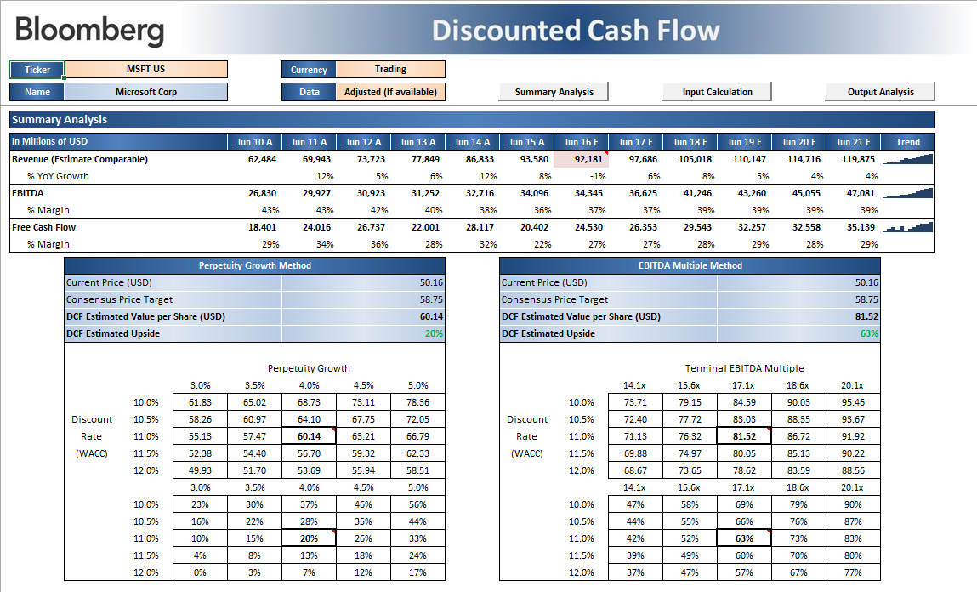

Choose whether to adjust for one-time items

DCF estimated price and upside potential

Inputs
2) Review the assumptions for WACC and terminal value
3) Review other default assumptions and double check numbers that have been shaded pink by hovering over the cell, a pop-up message will provide you additional details
4) Click “Edit Row” to review or change the forecasting assumptions (i.e. user input, Bloomberg estimates, historical averages, etc.)

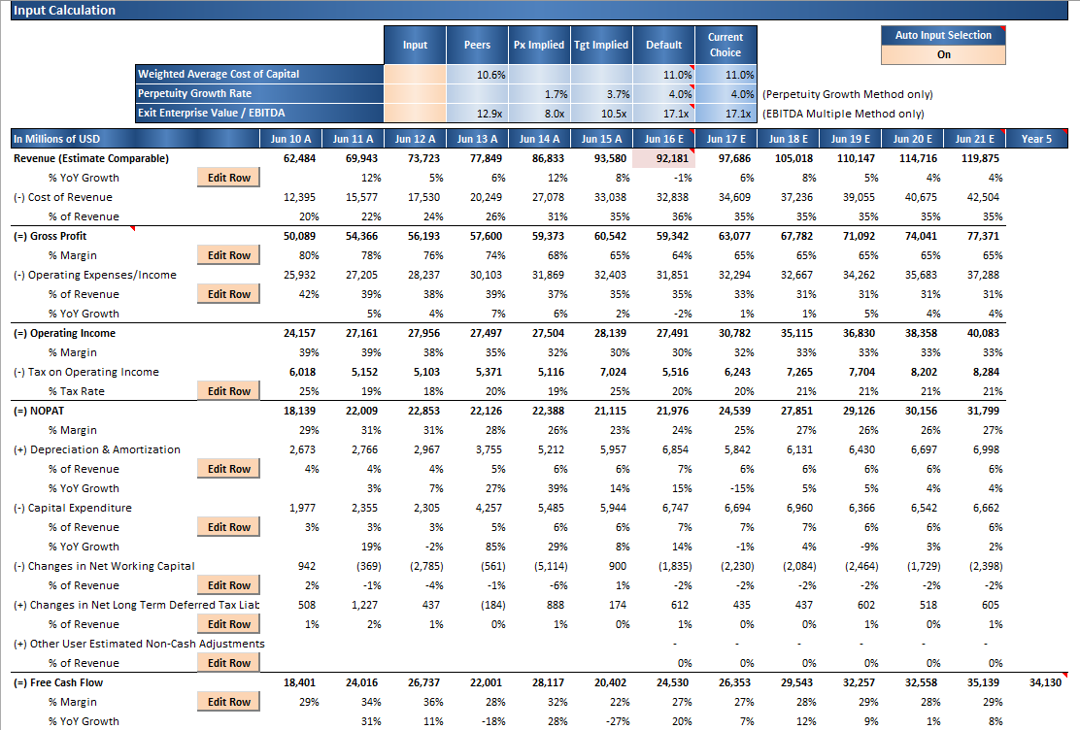
Turn this setting off to avoid changes in your inputs when reopening the file. WARNING: this will prevent the automatic selection of inputs when changing tickers as well

Customize the discount rate, perpetual growth or terminal multiple

Review outliers (highlighted)

Outputs
5) Review the value per share results based on two different methods: perpetual growth and exit multiple

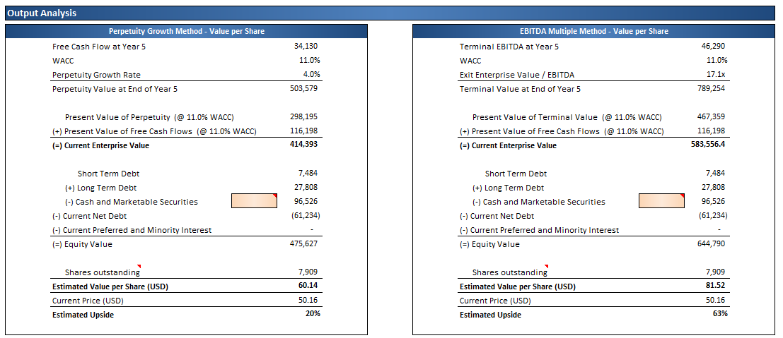

6) Use sensitivity tables to evaluate the impact of changing discount rate, growth rate and exit multiple assumptions

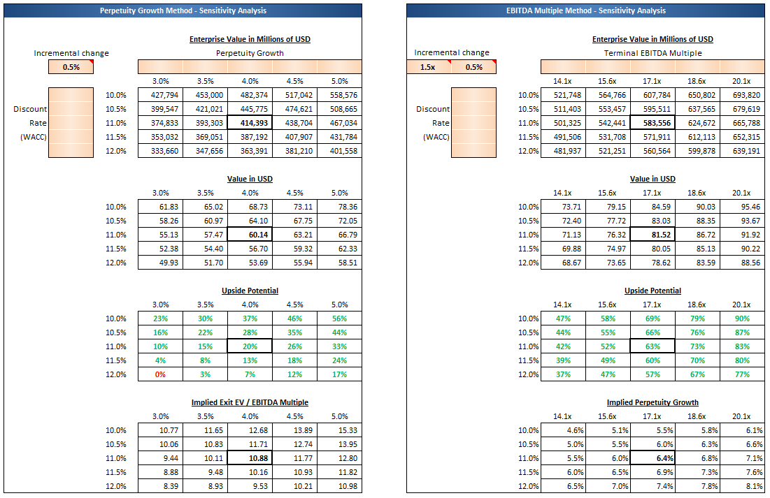

B. Features

Overview
Revenue driven model
All values are driven by revenue growth assumptions. Changing these assumptions will flow throgh the rest of the model.
Supports most companies
It can be used to value most companies with the exception of financial institutions (different vaulation methodology).
For financial companies, consider using DDM<GO> or EQRV<GO>.
Two methods to estimate terminal value
Two terminal value estimation methods: perpetuity growth and EV/EBITDA multiple.

Forecasting Free Cash Flows
Multiple forecasting methods
It allows you to input different forecasting assumptions by clicking into “Edit Row”.
Automatically selects the best assumptions available
Every time you update your ticker, the model will automatically select the best assumptions available.
You can see the resulting selection by clicking into “Edit Row”. Selected assumptions are blue.
Use different forecasting approaches
Using the “Edit Row” feature, different assumptions can be compared side-by-side. Clicking into the desired assumption value will update your model and shade the cell in blue. You can always enter your own values on the salmon cells which say “Input”.
Alerts for outliers
Unusual values are highlighted in pink to help you identify outliers. If you change a value, all warnings are instantly updated.

Discounting
Mid-year convention
The model assumes that annual cash flows are received at mid-year, rather than year end. A mid-period convention is applied when discounting cash flows.
Calendarization
The model takes into account that today is not the start of the current fiscal year.
Hence, only a facrtion of free cash flows proportional to the time left in the current fiscal year is discounted.
A corresponding fraction of year 6 is discounted, so that there are five full years being discounted.

Sensitivity
Sensitivity analysis
Analyze the impact of different discount rates, growth rates, and exit multiples on enterprise value, value per share, and % upside potential.
Additionally, the model allows the user to find the implied perpetuity growth rate for variant EV/EBITDA values.

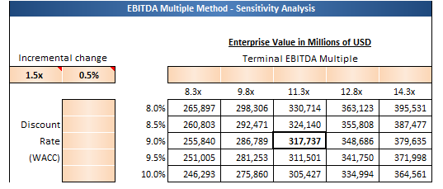

C. FAQ
How is weighted average cost of capital (WACC) determined?
The default WACC value comes from the Bloomberg terminal function WACC<GO>. Enter an alternative WACC value by using the "User Input" cell on "Input Calculation".
How are perpetual growth rates determined?
Single rate equivalent to a 2% perpetual rate transitioning from the last calculated growth on year 5. A table with all possible rates is available on the "Additional Data" tab. Enter your own values by using the "User Input" cell on "Input Calculation".
How can I run this model for a list of companies?
This feature is currently not available.
What if I want to use my own estimates for free cash flow?
Click on "Edit Row" and enter your values on "User Input" cells.
How do I reset the model to its default assumptions?
Go to the cell with the ticker, hit F2 then Enter.
What is the calculation for Net Long Term Deferred Tax Liabilities?
Go to "Additional Data" tab for details.
Can I customize the peers for this company?
Yes, go to "Additional Data" tab.
Why would I want to change the value for cash and marketable securities in the enterprise value calculation?
Assuming not all cash is available to repay debt, you should enter the minimum cash for operations on this field.
Why is revenue different from what the company reported?
Revenue might be different from the value reported by the company due to adjustments made in order for the number to be comparable to analyst estimates. If these values weren't adjusted, the revenue on year 1 would show the wrong YoY growth based on analyst consensus estimates.
Which values are affected by the "Adjusted (if available)" option?
All income statement items from cost of revenues to operating income. Revenue is always set to be either "comparable to estimates" or "adjusted" by default.
What are some Bloomberg related terminal functions for this model?
WACC<GO>: Weighted Average Cost of Capital (Discount rate for this DCF model)
DDM<GO>: Dividend Discounted Model (Intrinsic valuation based on dividends discounted at cost of equity)
EQRV<GO>: Equity Relative Valuation (Relative valuation based on historical performance vs peers)
What if I need further help? Please contact our Bloomberg Help Desk.
What is the minimum required Excel version?
This model requires Excel 2007 or later.

